PO
PURCHASE ORDER

EXPORTER: |  |  | Invoice Date : | 13-May-18
 |  |  | Invoice No: | BGF-1305/18

EXPORTER REPRESENTATIVE |  | SHIP TO

PAYMENT TERMS | SHIPMENT TERMS |  | SHIPMENT MODE

Description | Quantity | UM | Unit Price | Total Price

REMARKS:
Packaging:
Origin:

Loading Port:
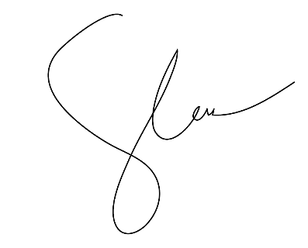
Discharge Port:

 |  | AUTHORIZED SIGNATORY:

